Sheet1
Prairie South Schools No. 210
Career and Work Exploration Program
Parent Mileage Reimbursement Form
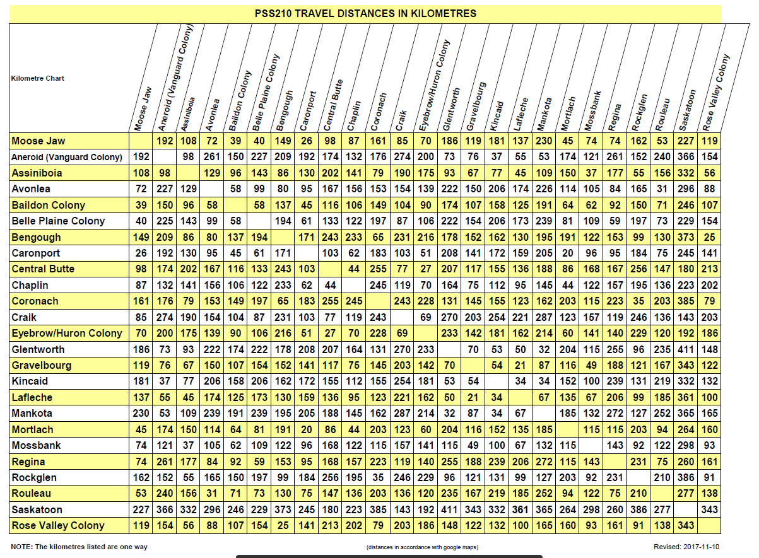

Parent's Name |  | Student's Name

Address |  |  |  | Postal Code

Date | From: Home School | To: Business |  |  |  | KMs (Return)

Please submit only if placement distance is over 15 km (return) from home school or actual distance, whichever is less.
 |  |  |  | Total KMs |  | 0
 |  |  |  | KM Rate |  |  | X .20
 |  |  | TOTAL Reimbursement |  |  | 0
 |  |  |  |  | Maximum $100
I hereby certify that all of the above expenditures are correctly and fairly stated.

Parent's Signature: |  |  | Date

Deadline: June 10
Please use the PSS mileage chart attached when calculating the mileage. The division will pay mileage
from the student's home school to the work placement or the actual mileage (whichever is the least). Please submit this form to the School Contact once your son/daughter has completed his/her work term.

School Contact: ______________________________________________ Date ___________________
Principal: ______________________________________________ Date ___________________
____________
1.2.14.175.520.211.841.522 Superintendent

